TECHNICAL SHEET GARMENT
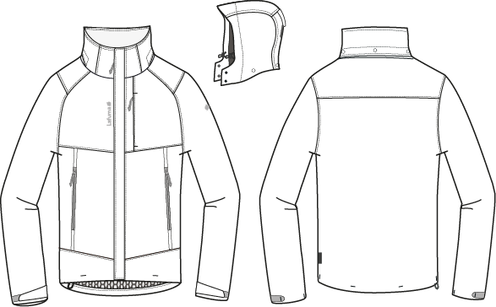
 |  | TECHNICAL SHEET GARMENT | WINTER 2018/19
LFV11420 |  | TRACK ZIP-IN JKT | INDEX | V1BULK
FABRIC / SUPPLIER : 06302 / LIBOLON |  |  | DEVELOPPER |  | Marjorie
DATE | 2018-01-19 |  | SUPPLIER : |  | PRIMA CHANNEL

MEN JKT COUNTER SAMPLE
 |  | COUNTER SAMPLE |  |  |  |  |  |  | WINTER 2018/19
LFV11420 |  |  | TRACK ZIP-IN JKT |  |  |  |  |  | INDEX | V1BULK
FABRIC / SUPPLIER : 06302 / LIBOLON |  |  |  |  |  |  |  |  | DEVELOPPER |  | Marjorie
DATE | 2018-01-19 |  |  |  |  |  |  |  | SUPPLIER : |  | PRIMA CHANNEL

 | MEASUREMENTS TAKEN ON FINISH PRODUCT |  |  |  |  |  |  | 大貨
OUTER PRODUCT MEASUREMENTS IN CM |  |  |  |  | ALLOWANCES | Measures to follow for making 1st c/s SIZE M | SMU Mercury grey measured the 09/10/2017 | Measures to follow for BULK SMU
FRONT JACKET MEASUREMENTS (IN CM) |  |  |  |  |  | M | M | M
B | FRONT BREADTH AT 15CM FROM HPS |  |  | 上胸寬(領肩點下15cm) | +/- 0,5 cm | 40 | 40 | 40
C | 1/2 CHEST ROUND |  |  | 1/2胸圍(腋點量) | +/- 1 cm | 59 | 59 | 59
D | 1/2 WAIST ROUND AT 44CM FROM HPS |  |  | 1/2腰圍(領肩點下44cm) | +/- 1 cm | 57 | 57 | 57
IA' | 1/2 BOTTOM ROUND STRETCHED |  |  | 1/2下襬(平量) | +/- 1 cm | 57 | 57 | 57
JA | TOTAL LENGHT FROM HPS |  |  | 前身長(領肩點量) | +/- 1 cm | 74 | 73 | 74 | -1
KA | SHOULDER LENGHT |  |  | 單肩寬 | +/- 0.5 cm | 12.5 | 13 | 12.5 | 0.5
KD | ARMHOLE HEIGHT - FOLLOWING ARMHOLE ROUND |  |  | 袖襱直量 | +/- 0.5 cm | 25 | 26 | 25 | 1
LA | 1/2 UPPER ARM WIDTH |  |  | 1/2袖寬(腋點垂直量) | +/- 0,5 cm | 24.5 | 24.5 | 24.5
LB | 1/2 ELBOW WIDTH AT 30CM FROM BOTTOM |  |  | 1/2肘寬(袖口上30cm) | +/- 0,5 cm | 19.5 | 20 | 19.5 | 0.5
LC' | 1/2 CUFF WIDTH STRETCHED |  |  | 1/2袖口寬(平量) | +/- 0,5 cm | 14.5 | 14.5 | 14.5
N | TOTAL SLEEVE LENGHT |  |  | 袖長(肩點量) | +/- 1 cm | 67 | 66 | 67 | -1
BACK JACKET MEASUREMENTS (IN CM)
R | BACK BREADTH AT 15CM FROM HPS |  |  | 後背寬(領肩點下15cm) | +/- 0,5 cm | 45 | 45 | 45
S | CENTER BACK LENGTH |  |  | 後身長(後領圍中心量) | +/- 1 cm | 74 | 73 | 74 | -1
COLLAR MEASUREMENTS (IN CM)
UA1 | NECK WIDTH |  |  | 領寬 | +/- 0,5 cm | 22 | 22 | 22
UA2 | FRONT NECK DEPTH |  |  | 前領深 | +/- 0,5 cm | 9 | 7 | 9 | -2
UB1 | INNER NECKLINE LENGHT |  |  | 下領圍(不含拉鍊) | +/- 1 cm | 56 | 56 | 56
UB2 | COLLAR LENGHT AT THE TOP EDGE |  |  | 上領圍(不含拉鍊) | +/- 1 cm | 55 | 55 | 55
UC1 | COLLAR HEIGHT AT CENTER BACK |  |  | 後領高 | +/- 0,5 cm | 9 | 9 | 9
UC3 | COLLAR HEIGHT AT MIDDLE FRONT |  |  | 前領高 | +/- 0,5 cm | 9 | 9 | 9
HOOD MEASUREMENTS (IN CM)
VA | HOOD LENGTH |  |  | 帽中長 | +/- 1 cm | 50 | 50 | 50
VB | 1/2 CENTER HOOD WIDTH |  |  | 1/2帽寬(領肩點上18cm) | +/- 0,5 cm | 25 | 25 | 25
VHA | HOOD HEIGHT ON FRONT |  |  | 帽前高(開口處) | +/- 0,5 cm | 34 | 34 | 34
VHB | HOOD HEIGHT ON SHOULDER POINT |  |  | 帽前高(領肩點) | +/- 0,5 cm | 36 | 36 | 36
VE | COLLAR HEIGHT ON FRONT HOOD |  |  | 前領高 | +/- 0,5 cm | 7 |  | 7
OTHER MEASUREMENTS
Z1 | MIDDLE FRONT ZIPPER LENGHT |  |  | 門襟拉鍊長 | +/- 0,5 cm | 74 | 74 | 74
 | INSIDE ZIPPER CONNECTION |  |  | 內門襟拉鍊長 | +/- 0,5 cm | 70 | 70 | 70
Z2 | HANDS POCKET ZIPPER LENGHT |  |  | 側袋開口長 | +/- 0,5 cm | 24 | 24 | 24
 | CHEST POCKET ZIPPER LENGHT |  |  | 胸袋開口長 | +/- 0,5 cm | 16 | 16 | 16
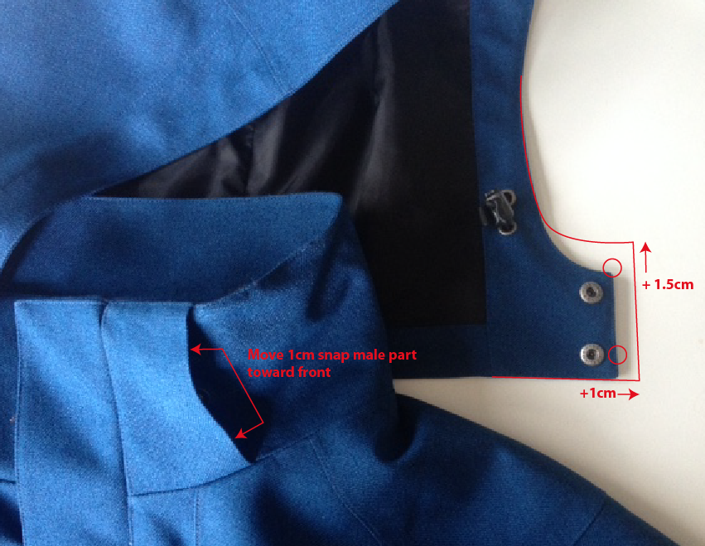
Comment for making 1st sample
Same style as LFV11412 without inner jacket

Comment on 1st sample of LFV11412 OUTER JACKET the 17/05/2017
Hold bottom sleeve hem with bartack on velcro
Use snap 17mm i/o 12mm
Use Taffetas on front panel lining i/o mesh lining
Increase hood collar height by 1,5cm
Increase hood lenght on bottom by 1cm
Move snap male part on front collar 1cm toward middle front

Go ahead for SMS, copy of outer Jacket of LFV11412

Comment in Taipei the 14/07/2017
Same as outer jacket of LFV11412

Comments on SMU color MERCURY GREY the 11/10/2017
OK BULK SMU - same as outer jacket of LFV11412

Comments on sms the 19/12/2017
HANG TAG
Hang tag corporate and climactive must be small # HT-394082-E & HT394146-E
吊牌改為用#HT-394082-E (i/o #HT-394081-E)
吊牌改為用#HT-394146-E (i/o #HT-394133-E)

COLORS
On style HEATHER GREY, embroideries must be E414 i/o 40022
色組#4809, 繡花線色改為#E414
On style ECLIPSE BLUE, embroideries colors must be tone one tone #30055 i/o 9134
色組#8598, 繡花線色改為#30055
On style BURGUNDY, front zipper and pocket zipper colors must be # 048 i/o 527, connecting zipper inside must have teeth colors # 048 i/o 527
色組#8606, 門襟和側袋拉鍊顏色改為YKK#048, 內門襟拉鍊齒色改為YKK#048

OK BULK following comments |  |  |  | 依以上修正後可進行大貨

DETAILS OUTER JKT 1
 |  | DETAILS JKT |  | WINTER 2018/19
LFV11420 |  |  | TRACK ZIP-IN JKT | INDEX | V1BULK
FABRIC / SUPPLIER : 06302 / LIBOLON |  |  |  | DEVELOPPER |  | Marjorie
DATE | 2018-01-19 |  |  | SUPPLIER : |  | PRIMA CHANNEL
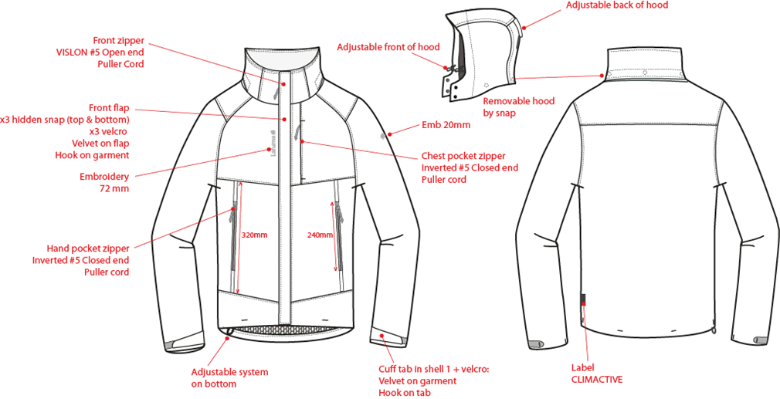
※剪接壓臨邊單針
表布領前蓋片,左/右前領各釘2組15mm平釘面彈簧釦下半套+墊片。
前袖為拉克藍袖

門襟車#5塑鋼拉鏈+拉繩,壓臨邊單針。

穿者左側表布外擋風片,釘3組15mm彈簧壓釦(上x2,下x1),中間車三組黏扣帶毛面(1cm*6cm)。黏扣帶勾面車於右門襟。
可拆帽作法同下頁

繡花2cm。

表布袋唇,上下打橫結加強,胸袋車#5尼龍反拉+拉繩,壓臨邊單針。袋裏表布袋貼+210T布。

繡花7.2cm。

側袋車#5尼龍反拉+拉繩,壓臨邊單針。袋裏表布袋貼+210T布,固定於門襟。

前下襬左/右各打一橫結。

穿者右側下襬調節。
表布袖絆壓單針,車黏扣帶勾面2cmx6cm,袖口車黏扣帶毛面2cmx10cm,加壓打結固定內貼。
LW050-E織標:
下襬上7cm。
下襬打結:左右脇邊各一橫結,後身片兩個橫結。

DETAILS LINING JKT 1
 |  | DETAILS LINING |  | WINTER 2018/19
LFV11420 |  |  | TRACK ZIP-IN JKT | INDEX | V1BULK
FABRIC / SUPPLIER : 06302 / LIBOLON |  |  |  | DEVELOPPER |  | Marjorie
DATE | 2018-01-19 |  |  | SUPPLIER : |  | PRIMA CHANNEL
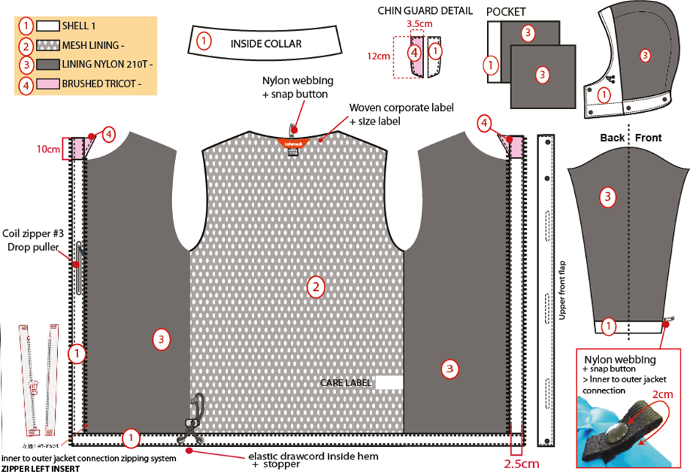
內擋風片上片表布,下片超細天鵝絨。
表布
帽簷內貼表布A,內穿彈繩由左/右內側各2顆10mm雞眼穿出+繩釦+小淚珠+迴紋帶(L:1.5cm),帽裏210T。
網布
210T布

超細天鵝絨
側袋手心面
☆內門襟三角擋片尺寸:L:10cm W:6cm,上片:超細天鵝絨/下片:210T布。內門襟車#5塑鋼拉鍊。

側袋手背面

穿者右內胸袋車#3尼龍拉鍊,向上拉合,袋口上/下打橫結,壓臨邊線,袋裡:表布A袋貼
+210T布.

袖裏210T布,袖口內貼表布1"。袖口以上7cm車迴紋帶釦絆。

☆內後領圍中心x1和袖口內x2,需夾車迴紋帶(W:1/2" 內後領中心L:6cm /袖口L:5cm)+1組10mm四合釦,可與內夾克扣合用,迴紋帶要對折壓臨邊線.

下襬內貼表布A寬1",壓單針,內穿彈繩由右側2顆10mm雞眼穿出+繩釦+迴紋帶.
門襟內貼寬2.5cm。上段為超細天鵝絨,下段為表布。

HOOD DETAILS
 |  | DETAILS HOOD |  | WINTER 2018/19
LFV11420 |  |  | TRACK ZIP-IN JKT | INDEX | V1BULK
FABRIC / SUPPLIER : 06302 / LIBOLON |  |  |  | DEVELOPPER |  | Marjorie
DATE | 2018-01-19 |  |  | SUPPLIER : |  | PRIMA CHANNEL
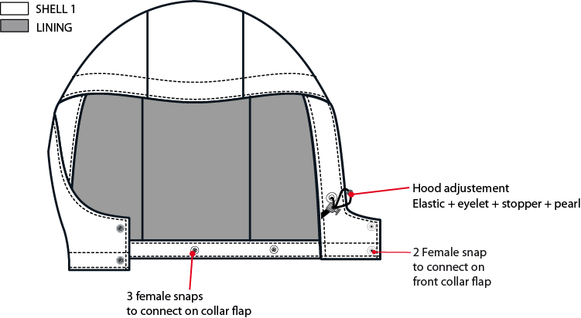
帽簷內貼表布A,內穿彈繩由左/右內側各2顆10mm雞眼穿出+繩釦+小淚珠+迴紋帶(L:1.5cm)。帽裏210T布。

左/右帽前絆各釘2組15mm平釘面彈簧釦上半套,面釦要隱藏.

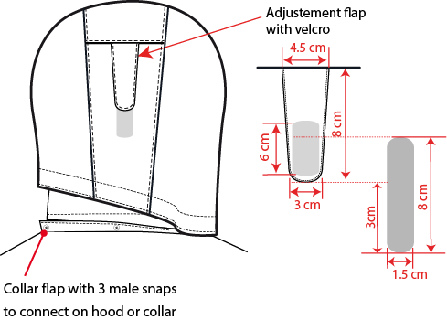
可拆帽作法,帽底釘3組15mm平釘面彈簧釦-上半套,面釦要隱藏,可與領布條扣合。

帽絆壓臨邊單針,車黏扣帶勾面2cmx6cm,帽後中車黏扣帶毛面2cmx8cm。

外領蓋片內釘3組15mm平釘面彈簧釦上半套+墊片,面釦要隱藏,外領圍夾車布A領布條W:3cm,釘3組15mm彈簧釦下半套,可與帽底&外領蓋片扣合.

CONNECTION DETAILS
 |  | DETAILS CONNECTION |  | WINTER 2018/19
LFV11420 |  |  | TRACK ZIP-IN JKT | INDEX | V1BULK
FABRIC / SUPPLIER : 06302 / LIBOLON |  |  |  | DEVELOPPER |  | Marjorie
DATE | 2018-01-19 |  |  | SUPPLIER : |  | PRIMA CHANNEL
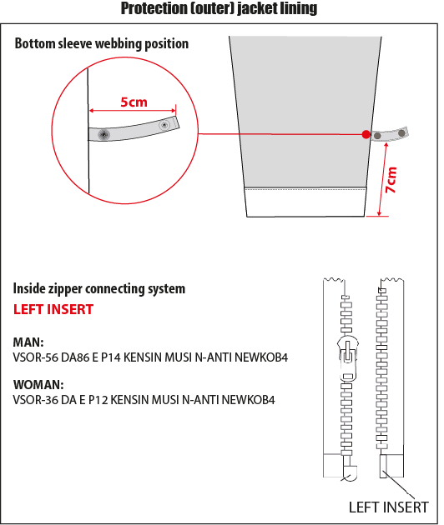

袖口以上7cm車迴紋帶釦絆。

男款內門襟拉鍊:#5塑鋼拉鍊,左插右拉

6cm
☆內後領圍中心x1和袖口內x2,需夾車迴紋帶(W:1/2" 內後領中心L:6cm/袖口L:5cm) +1組10mm四合釦,可與內夾克扣合用,迴紋帶要對折壓臨邊線.

COLOR SKETCH
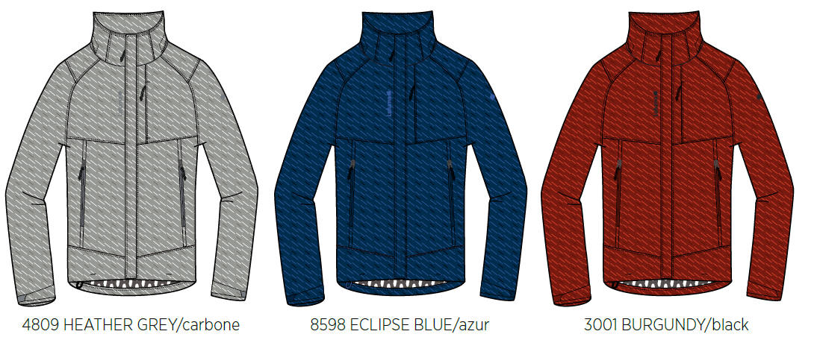
 |  | COLOR SKETCH |  | WINTER 2018/19
LFV11420 |  |  | TRACK ZIP-IN JKT | INDEX | V1BULK
FABRIC / SUPPLIER : 06302 / LIBOLON |  |  |  | DEVELOPPER |  | Marjorie
DATE | 2018-01-19 |  |  | SUPPLIER : |  | PRIMA CHANNEL

COLOR COMBINATION
 |  | COLOR COMBINATION |  |  |  |  |  |  |  |  | WINTER 2018/19
LFV11420 |  |  |  | TRACK ZIP-IN JKT |  |  |  |  |  |  | INDEX | V1BULK
FABRIC / SUPPLIER : 06302 / LIBOLON |  |  |  |  |  |  |  |  |  |  | DEVELOPPER |  |  | Marjorie
DATE | 2018-01-19 |  |  |  |  |  |  |  |  |  | SUPPLIER : |  |  | PRIMA CHANNEL
FABRIC OUTER JKT |  |  |  |  |  |  | SMU MERCURY GREY 6912 | HEATHER GREY 4809 | ECLIPSE BLUE 8598 | BURGUNDY 8606
SHELL 1 06302 |  |  |  | LIBOLON | GARMENT |  | HEATHER GREY | HEATHER GREY | INK/NOIR | BURGUNDY LAF
MESH |  |  |  | LOCAL | BODY |  | GREY | GREY | BLACK | BLACK
TAFFETAS NYLON 210T |  |  |  | LOCAL | SLEEVES LINING + HOOD + POCKET BAG + FRONT PANEL LINING |  | GREY | GREY | BLACK | BLACK
BRUSH TRICOT REF: AM1378 ASIA FIT |  |  |  | LOCAL | CHIN GUARD |  | GREY | GREY | BLACK | BLACK
FULL SEAM TAPE |  |  |  | LOCAL | FULL BODY |  | clear | CLEAR | CLEAR | CLEAR
NON WOVEN |  |  |  | LOCAL | FLAPS + EMBROIDERIES BACKSIDE |  | WHITE | WHITE | WHITE | WHITE
TRIMMING AND ACCESSORIES OUTER JKT
 | DESCRIPTION |  | REF | SUPPLIER | DESIGNATION | QTY | SMU MERCURY GREY 6912 | HEATHER GREY 4809 | ECLIPSE BLUE 8598 | BURGUNDY 8606 | XS | S | M | L | XL | XXL
Zipper VISLON # 5 - 1WAY - separable- autolock SD51MA.RT |  |  |  | MAX zipper | Front zip | 1 | BLACK 580 | GREY 301 | ECLIPSE BLUE 960 | BURGUNDY 048
Zipper VISLON #5- 1WAY - Left insert VSOR-56 DA86 E P14 KENSIN MUSI N-ANTI NEWKOB4 |  |  |  | YKK ZIPPER | Front zip (inside jkt) / 3in1 system | 1 | BLACK 580 | GREY/BLACK TAPE : 301 TEETH : 580 | ECLIPSE BLUE/AZUR BLUE TAPE : 960 TEETH : 918 | BLACK/BURGUNDY TAPE : 580 TEETH : 048
Zipper REVERSE # 5 - 1WAY - Non separable - non lock SN52MAX |  |  |  | MAX zipper | Hands pockets under flap (2) Chest pocket (1) | 3 | BLACK 580 | GREY 301 | ECLIPSE BLUE 960 | BURGUNDY 048
NYLON #3 - 1WAY - Non separable -non lock - DROP PULLER |  |  |  | YKK ZIPPER | Inner pocket | 1 | BLACK 580 | GREY 301 | ECLIPSE BLUE 960 | BURGUNDY 048
cord puller |  |  | ZP072-E | DRAGON TIMES | Front opening (1) | 1 | NOIR | NOIR | AZUR BLUE | NOIR
cord puller |  |  | ZP072-E | DRAGON TIMES | Front pockets (2) Chest pocket (1) | 3 | NOIR | NOIR | SAPHIR | NOIR
2,5mm ELASTIC CORD |  |  |  | LOCAL | Bottom adjustment (1) Hood adjustment (1) | 2 | BLACK | BLACK | BLACK | BLACK
MMG CORD STOPPER 20MM+SLIT |  |  | EIS15U-XMSTP01 | UNITEX | Bottom adjustment (1) Hood adjustment (2) | 3 | NOIR | NOIR | NOIR | NOIR
10mm METAL EYELET |  |  |  | LOCAL | Bottom adjustment (2) Hood adjustment (4) | 6 | ANTIC SILVER | ANTIC SILVER | ANTIC SILVER | ANTIC SILVER
PLASTIC PEARL |  |  | CP-A1 | UNITEX | Hood adjustment (2) | 2 | NOIR | NOIR | NOIR | NOIR
5mm POLYESTER WEBBING |  |  | EIS15U-XMTRE01 | YF ZIPPER | Bottom adjustment (2) Hood adjustment (2) to hold stopper and cord | 4 | NOIR | NOIR | NOIR | NOIR
17mm METAL SNAP (male & female) (NVISIBLE) |  |  |  | LOCAL | Front flap (2 on top + 1 on bottom) | 3 | ANTIC SILVER | ANTIC SILVER | ANTIC SILVER | ANTIC SILVER
17mm METAL SNAP (male & female) (NVISIBLE) |  |  |  | LOCAL | Front hood & collar flap (4) Back hood removable system (3) | 7 | ANTIC SILVER | ANTIC SILVER | ANTIC SILVER | ANTIC SILVER
VELCRO FEMALE velvet (rounded corner) 10x60mm |  |  |  | LOCAL / PAHIO | Front flap | 3 | BLACK | BLACK | ECLIPSE BLUE TO539 | BLACK
VELCRO MALE hook (rounded corner) 10x60mm |  |  |  | LOCAL / PAHIO | garment front | 3 | BLACK | BLACK | ECLIPSE BLUE TO539 | BLACK
VELCRO FEMALE velvet (rounded corner) 20x80mm |  |  |  | LOCAL / PAHIO | Back hood adjustment on GARMENT | 1 | BLACK | BLACK | ECLIPSE BLUE TO539 | BLACK
VELCRO MALE hook (rounded corner) 20x60mm |  |  |  | LOCAL / PAHIO | Back hood adjustment on FLAP | 1 | BLACK | BLACK | ECLIPSE BLUE TO539 | BLACK
VELCRO FEMALE velvet (rounded corner) 20x100mm |  |  |  | LOCAL / PAHIO | Cuff adjustment on GARMENT | 2 | BLACK | BLACK | ECLIPSE BLUE TO539 | BLACK
VELCRO MALE hook (rounded corner) 20x60mm |  |  |  | LOCAL / PAHIO | Cuff adjustment on FLAP | 2 | BLACK | BLACK | ECLIPSE BLUE TO539 | BLACK
VELCRO FEMALE velvet (rounded corner) 12x60mm |  |  |  | LOCAL / PAHIO | Back bottom hood Back bottom collar | 2 | BLACK | BLACK | ECLIPSE BLUE TO539 | BLACK
VELCRO MALE hook ( rounded corner) 12x60mm |  |  |  | LOCAL / PAHIO | Top collar storage hood | 1 | BLACK | BLACK | ECLIPSE BLUE TO539 | BLACK
12mm NYLON WEBBING |  |  |  | LOCAL | JKT connection Neckline (1) Sleeves Connection(2) | 3 | BLACK | BLACK | BLACK | BLACK
10mm PLASTIC SNAP |  |  |  | LOCAL | JKT connection Neckline (1) Sleeves connection(2) | 3 | BLACK | BLACK | BLACK | BLACK
MARKING OUTER JKT
EMBROIDERY LAFUMA 72 mm |  |  |  | MING SHANG | Right front / top | 1 | BLACK | GREY E414 | ECLIPSE BLUE 30055 | BLACK
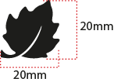 EMBROIDERY LAFUMA FEUILLE 20 mm |  |  |  | MING SHANG | Left sleeve / top | 1 | BLACK | GREY E414 | ECLIPSE BLUE 30055 | BLACK
 CLIMACTIVE WOVEN FLY |  |  | LW050-E | TRIPLE STAR | Bottom LEFT back | 1 | BLACK | BLACK | BLACK | BLACK
LABELS OUTER JKT
MAIN LABEL medium size |  |  | LW034-E | SML | Neckline / centered | 1 | ORANGE
SIZE WOVEN LABEL MMG MEN ALPHA/TOP |  |  | LWS18-01 | SML | Neckline / centered | 1 | STANDARD
Care Label & P.O. Label |  |  | LC011-E | LOCAL | left side seam | 1 | WHITE satin
HANG TAG
HANG TAG MIX & MATCH |  |  | HT394325/NE | TRIPLE STAR | Front zipper | 1 | STANDARD
HANG TAG LOW IMPACT |  |  | HT394299-E | TRIPLE STAR | On top of corporate HT | 1 | STANDARD
  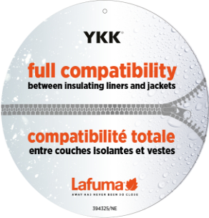 HANGTAG LAFUMA CORPORATE |  |  | SMALL HT-394082-E | Triple star | Refer artwork for position | 1 | STANDARD
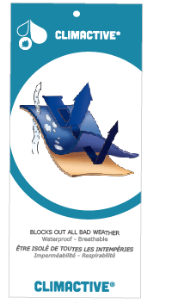 HANG TAG CLIMACTIVE |  |  | SMALL HT394146-E | TRIPLE STAR | Refer artwork for position | 1 | STANDARD
 HANG TAG PFC FREE |  |  | HT394145-E | TRIPLE STAR | On back of corporate HT | 1 | STANDARD
 GENCODE STICKER |  |  |  | LOCAL |  | 2
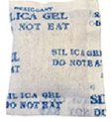 SILICA GEL DMF U FREE 5gr |  |  |  | LOCAL |  | 1
 POLYBAG |  |  |  | LOCAL |  | 1
 |  |  |  | LOCAL |  | 1

MARKING
 |  | MARKING |  |  | WINTER 2018/19
LFV11420 |  | TRACK ZIP-IN JKT |  |  | INDEX | V1BULK
FABRIC / SUPPLIER : 06302 / LIBOLON |  |  |  |  | DEVELOPPER |  | Marjorie
DATE | 2018-01-19 |  |  |  | SUPPLIER : |  | PRIMA CHANNEL
DESIGNATION |  |  |  | POSITION
LAFUMA+楓葉繡花7.2cm
穿者右前胸領圍下8cm
距外擋風片1.5cm
EMBROIDERY LAFUMA 72 mm |  |  | RIGHT TOP FRONT * VERTICAL POSITION : 8cm from front neck drop * ALONG FRONT: 1 ,5 cm from center front
楓葉繡花2cm
穿者左袖肩點下8cm
EMBROIDERY LAFUMA FEUILLE 20 mm |  |  | LEFT TOP SLEEVE 8 cm from top sleeve
穿者左後脇邊下襬上7cm。
CLIMACTIVE WOVEN FLY |  |  | LEFT SIDE SEAM * 7cm from bottom

JACKET SKETCH MEASUREMENTS
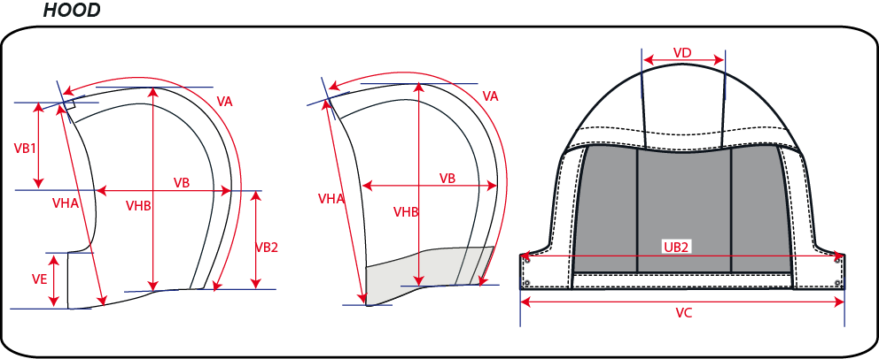
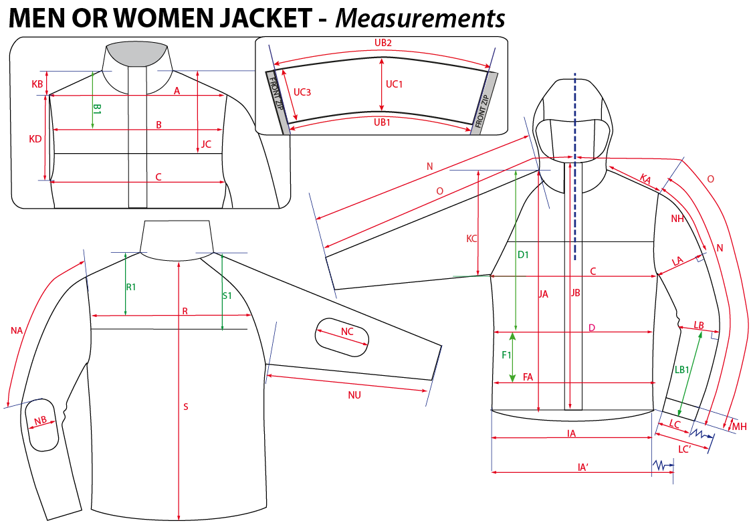
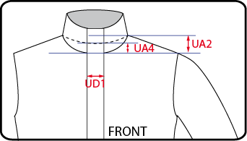
 |  | HOW TO TAKE MEASUREMENTS |  | WINTER 2018/19
LFV11420 |  |  | TRACK ZIP-IN JKT |  | INDEX | V1BULK
FABRIC / SUPPLIER : 06302 / LIBOLON |  |  |  | DEVELOPPER |  | Marjorie
DATE | 2018-01-19 |  |  | SUPPLIER : |  | PRIMA CHANNEL

HANG TAGS
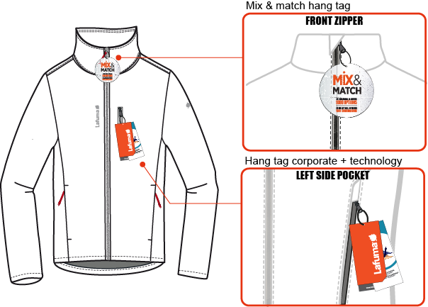
 |  | HOW TO ATTACH HANG TAGS |  | WINTER 2018/19
LFV11420 |  |  | TRACK ZIP-IN JKT |  | INDEX | V1BULK
FABRIC / SUPPLIER : 06302 / LIBOLON |  |  |  | DEVELOPPER |  | Marjorie
DATE | 2018-01-19 |  |  | SUPPLIER : |  | PRIMA CHANNEL

